Sheet1
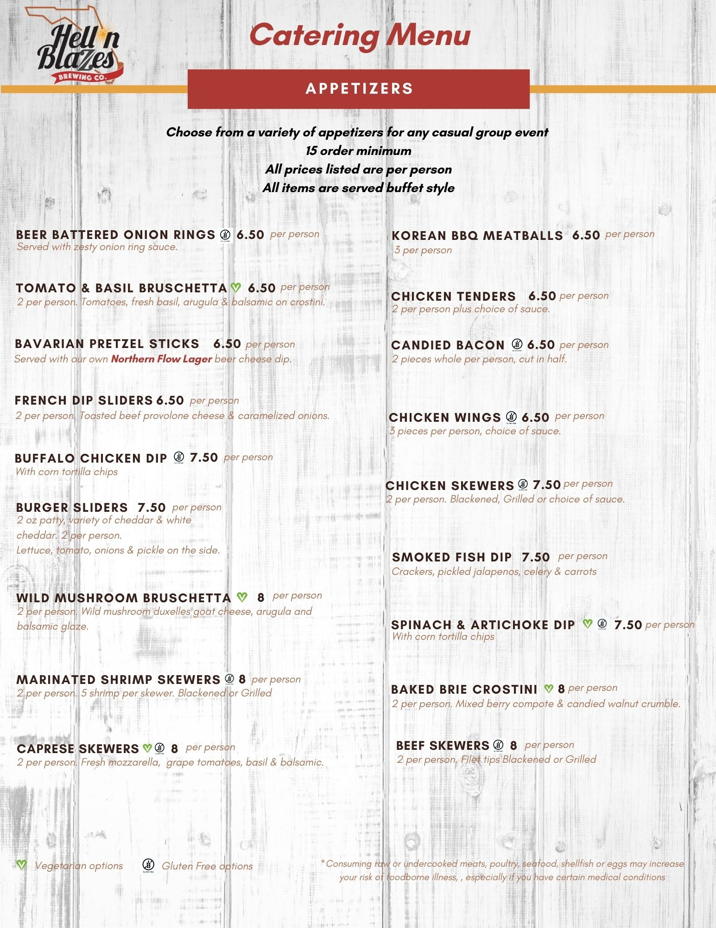
Directions:
Enter the quantity of appetizer per person
THE MINIMUM QUANTITY PER ITEM IS 15
See example below

Catering Estimate | Cost Per | Total | Total Per
 |  |  | Item

Beer Battered Onion Rings | $6.50 |  | $0.00
Korean BBQ Meatballs | $6.50 |  | $0.00
Tomato & Basil Bruschetta | $6.50 |  | $0.00
Chicken Tenders | $6.50 |  | $0.00
Bavarian Pretzel Sticks | $6.50 |  | $0.00
Candied Bacon | $6.50 |  | $0.00
French Dip Sliders | $6.50 |  | $0.00
Chicken Wings | $6.50 |  | $0.00
Buffalo Chicken Dip | $7.50 |  | $0.00
Chicken Skewers | $7.50 |  | $0.00
Burger Sliders | $7.50 |  | $0.00
Smoked Fish Dip | $7.50 |  | $0.00
Spinach & Artichoke Dip | $7.50 |  | $0.00
Wild Mushroom Brushetta | $8.00 |  | $0.00
Marinated Shrimp Skewers | $8.00 |  | $0.00
Baked Brie Crostini | $8.00 |  | $0.00
Caprese Skewers | $8.00 |  | $0.00
Beef Skewers | $8.00 |  | $0.00
Grazing Table | $17.00 |  | $0.00
 |  |  | $0.00
 |  |  | $0.00
 |  |  | $0.00

All estimate subtotals are before tax, gratuity & room fee

Catering Estimate - EXAMPLE | Cost Per | Total | Total Per
 |  |  | Item

Beer Battered Onion Rings | $6.50 |  | $0.00
Korean BBQ Meatballs | $6.50 | 15 | $97.50
Tomato & Basil Bruschetta | $6.50 |  | $0.00
Chicken Tenders | $6.50 | 15 | $97.50
Bavarian Pretzel Sticks | $6.50 |  | $0.00
Candied Bacon | $6.50 |  | $0.00
French Dip Sliders | $6.50 | 17 | $110.50
Chicken Wings | $6.50 |  | $0.00
Buffalo Chicken Dip | $7.50 |  | $0.00
Chicken Skewers | $7.50 |  | $0.00
Burger Sliders | $7.50 | 16 | $120.00
Smoked Fish Dip | $7.50 |  | $0.00
Spinach & Artichoke Dip | $7.50 |  | $0.00
Wild Mushroom Brushetta | $8.00 | 22 | $176.00
Marinated Shrimp Skewers | $8.00 |  | $0.00
Baked Brie Crostini | $8.00 |  | $0.00
Caprese Skewers | $8.00 |  | $0.00
Beef Skewers | $8.00 |  | $0.00
Grazing Table | $17.00 |  | $0.00
 |  |  | $0.00
 |  |  | $0.00
 |  |  | $601.50
All estimate subtotals are before tax, gratuity & room fee

